Invocice
PIONEER SERVICES

 |  | Date | 29 July 2024
 |  | Invoice # | 5
M/S Bank Al-Falah Limited Pakistan |  | NTN # | 4312149-7
NTN # 0698202-6

Attn: Mr. Waseem

Invoice

Summary of Final Bill against Purchased Order # 269526

S.No | Description |  | Total Amount

i | Total Cost of Work |  | 29,896,814

ii | Claimed amount 30% |  | 8,969,044

a | Material (Supply) 70% |  | 6,278,331
b | Labour (Services) 30% |  | 2,340,420
c | Add 15% SST (Services): |  | 351,063

 | Total Payable Amount |  | 8,969,814

for PIONEER SERVICES

 | Tax on material 5.5% & on lab 11% | 345,308 | 296,063 | -
 | Less 5/118% on material amount due to Unregistered | 266,031 |  | -
 | 20% SRB on Lab |  | 70,212.60 | -

 |  |  | 7,992,199

Summary
PIONEER SERVICES

Overhauling, Repairing & Replacement |  |  |  | 29-Jul-24
of Air Handling Units

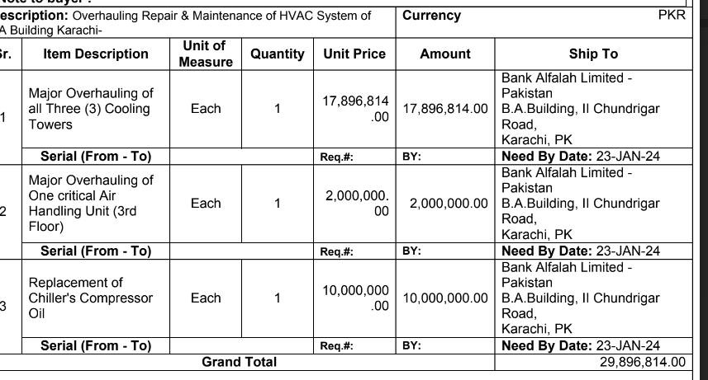
SUMMARY OF FINAL BILL

S.No | Description | Material Amount | Labour Amount | Total Amount
1 | Air Handling Unit - 3rd Floor (A/B) | 1,253,050 | 362,843 | 1,615,893
2 | Chillers (Rooftop Plantroom) | 9,870,500 | 1,921,565 | 11,792,065
3 | Cooling Towers (Rooftop) | 14,864,650 | 1,624,206 | 16,488,856
 | SubTotal Amount | 25,988,200 | 3,908,614 | 29,896,814
 | Received adhoc 30% | 7,796,460 | 1,172,584 | 8,969,044
 | Received adhoc 40% | 10,395,280 | 1,563,445 | 11,958,725
 | Remaining amount | 7,796,460 | 1,172,584 | 8,969,044

 |  |  |  |  | 8,969,044

 |  | - | -

 | Less 5.5% on Material Amount | -
 | Less 5/118% on material amount due to Unregistered | -

 | Less 11% on Labour | -
 | Less 20% on SST | -

 | Total Deductins | -

 | Net Payable | -

 | Received on 08 March 24 | -

 |  | NIL

